INV MARET
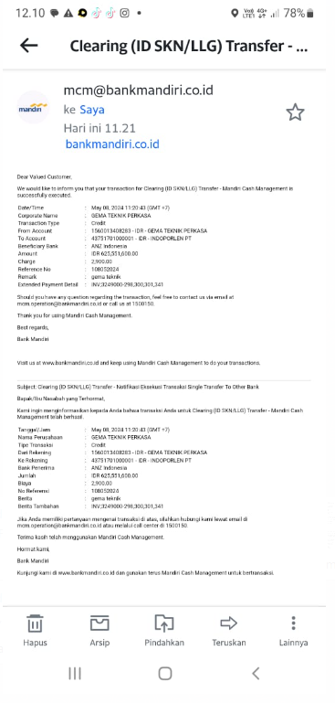
Kewajiban GMT Maret 2025

PPN
Tanggal | No. Invoice | SUPPLIER | Keterangan |  |  |  |  |  |  | Tgl Pembayaran | Potongan PPH 2% | Nilai Pembayaran | Saldo AP
 |  |  | Jasa | Anchor | Material | Sewa Alat | Total | PPN | Grand Total
7-Mar-25 | 0588/KWT/URP/II/2025 | PT. Upaya Riksa Patra | 38,400,000 |  |  |  | 38,400,000 | 4,224,000 | 42,624,000 | 7-Mar-25 |  | 42,624,000 | -
6-Mar-25 | 0189/SKN/III/2025 | PT. Sarana Katiga Nusantara | 18,000,000 |  |  |  | 18,000,000 | 1,980,000 | 19,980,000 | 6-Mar-25 |  | 19,980,000 | -
5-Mar-25 | 006/PH-CV.ASM/II/2025 | CV. Aurora Sheet Metal | 10,000,000 |  |  |  | 10,000,000 | 0 | 10,000,000 | 5-Mar-25 |  | 10,000,000 | -
14-Mar-25 | 032/INV-S3/II-25 | PT. Surya Semesta Sakti |  |  | 35,000,000 |  | 35,000,000 | 3,850,000 | 38,850,000 |  |  | - | 38,850,000
17-Mar-25 | 159 | Suwarso | 5,430,000 |  |  |  | 5,430,000 | 0 | 5,430,000 |  |  | - | 5,430,000
24-Mar-25 | SI-2503022 | PT. Caprefindo |  |  | 21,000,000 |  | 21,000,000 | 2,310,000 | 23,310,000 |  |  | - | 23,310,000
25-Mar-25 | 0422/Inv-Mula/III-25 | PT. Mitra Utama Lestari Abadi |  |  | 43,300,000 |  | 43,300,000 | 4,763,000 | 48,063,000 |  |  | - | 48,063,000
24-Mar-25 | 93/J/III/25 | PT. Jaya Refractorindo Utama |  |  | 33,000,000 |  | 33,000,000 | 3,630,000 | 36,630,000 | 24-Mar-25 |  | 36,630,000 | -
24-Mar-25 | 95/J/III/25 | PT. Jaya Refractorindo Utama |  |  | 15,000,000 |  | 15,000,000 | 1,650,000 | 16,650,000 | 24-Mar-25 |  | 16,650,000 | -
24-Mar-25 | 102/J/III/25 | PT. Jaya Refractorindo Utama |  |  | 10,500,000 |  | 10,500,000 | 1,155,000 | 11,655,000 | 24-Mar-25 |  | 11,655,000 | -
 |  |  |  |  |  |  | 0 | 0 | 0 |  |  | - | -
 |  |  |  |  |  |  | 0 | 0 | 0 |  |  | - | -
 |  |  |  |  |  |  | 0 | 0 | 0 |  |  | - | -
 |  |  |  |  |  |  | 0 | 0 | 0 |  |  | - | -
 |  |  |  |  |  |  | 0 | 0 | 0 |  |  | - | -
 |  |  |  |  |  |  | 0 | 0 | 0 |  |  | - | -
 |  |  |  |  |  |  | 0 | 0 | 0 |  |  | - | -
 |  |  |  |  |  |  | 0 | 0 | 0 |  |  | - | -
 |  |  |  |  |  |  | 0 | 0 | 0 |  | - | - | -
 |  |  |  |  |  |  | 0 | 0 | 0 |  | - | - | -
 |  |  |  |  |  |  | 0 | 0 | 0 |  |  | - | -
 |  |  |  |  |  |  | 0 | 0 | 0 |  |  | - | -
 |  |  |  |  |  |  | 0 | 0 | 0 |  | - | - | -
 |  | Total | 71,830,000 | 0 | 157,800,000 | - | 229,630,000 | 23,562,000 | 253,192,000 |  | 0 | 137,539,000 | 115,653,000 | 0
 |  |  |  |  |  |  |  |  |  |  |  |  |  | 0

